Sheet1
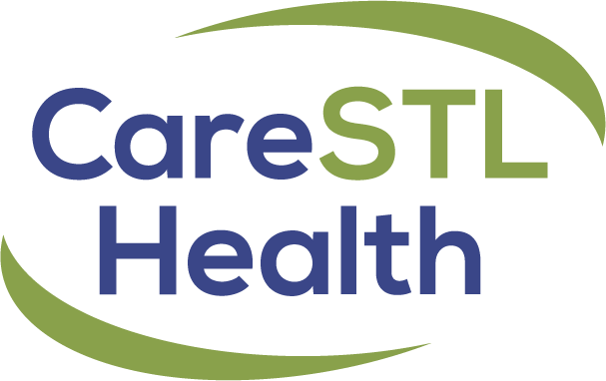
 |  | Federal Poverty Guidelines
 |  | Sliding Fee Discount Schedule
 |  | Effective September 2021

 | FULL SUBSIDY | PARTIAL SUBSIDY |  |  |  |  |  |  |  | NO PROOF/NO INSURANCE
 | 0% - 100% | 101% - 125% |  | 126% - 150% |  | 151% - 175% |  | 176% - 200% |  | 201% and Above
 | Level A | Level B |  | Level C |  | Level D |  | Level E |  | 0% Discount

Size of Family Unit |  | From | To | From | To | From | To | From | To | Over
1 | 0 - $12,880 | $12,881 | $16,100 | $16,101 | $19,320 | $19,321 | $22,540 | $22,541 | $25,760 | $25,761
2 | 0 - $17,420 | $17,421 | $21,775 | $21,776 | $26,130 | $26,131 | $30,485 | $30,486 | $34,840 | $34,841
3 | 0 - $21,960 | $21,961 | $27,450 | $27,451 | $32,940 | $32,941 | $38,430 | $38,431 | $43,920 | $43,921
4 | 0 - $26,500 | $26,501 | $33,125 | $33,126 | $39,750 | $39,751 | $46,375 | $46,376 | $53,000 | $53,001
5 | 0 - $31,040 | $31,041 | $38,800 | $38,801 | $46,560 | $46,561 | $54,320 | $54,321 | $62,080 | $62,081
6 | 0 - $35,580 | $35,581 | $44,475 | $44,476 | $53,370 | $53,371 | $62,265 | $62,266 | $71,160 | $71,161
7 | 0 - $40,120 | $40,121 | $50,150 | $50,151 | $60,180 | $60,181 | $70,210 | $70,211 | $80,240 | $80,241
8 | 0 - $44,660 | $44,661 | $55,825 | $55,826 | $66,990 | $66,991 | $78,155 | $78,156 | $89,320 | $89,321
9 | 0 - $49,200 | $49,201 | $61,500 | $61,501 | $73,800 | $73,801 | $86,100 | $86,101 | $98,400 | $98,401
10 | 0 - $53,740 | $53,741 | $67,175 | $67,176 | $80,610 | $80,611 | $94,045 | $94,046 | $107,480 | $107,481
Each Addt'l member add | $4,540 | $4,540 |  | $4,540 |  | $4,540 |  | $4,540 |  | $4,540
 | $20 Medical | $30 Medical |  | $40 Medical |  | $60 Medical |  | $80 Medical |  | $100 Medical
 | $40 Dental | $50 Dental |  | $60 Dental |  | $70 Dental |  | $80 Dental |  | $100 Dental
 | $10 Rx or $Cost + 4 Dispensing Fee | $Cost + $6 Dispensing Fee |  | $Cost + $8 Dispensing Fee |  | $Cost + $10 Dispensing Fee |  | $Cost + $12 Dispensing Fee |  | $Cost + $20 - Generic $Cost + $25 Brand

1. A minimum fee of $10 for medical/behavioral health, $20 for dental and $5 for Pharmacy will be assessed to all patients, including Full Subsidy qualifying patients.
2. If a patient presents with no conclusive proof on income to establish their sliding fee eligibility, the patient is placed on Full Payment (100% pay) until proof is established.
3. Certain medical and dental procedures do not qualify for sliding fee discount.
4. The minimum Pharmacy nominal fee $5, with the exception of the approved $4 generic medication
5. High cost prescriptions have an additional discount applied plus a pharmacy dispensing fee.
6. Please refer to the pharmacy formulary for a complete list of discounted and high cost prescriptions

